Week 5
Project Title: CardioCare Quest |  |  |  |  | Report for | Week 5 (Feb 9 - Feb 13)
 | Team Members:
 | 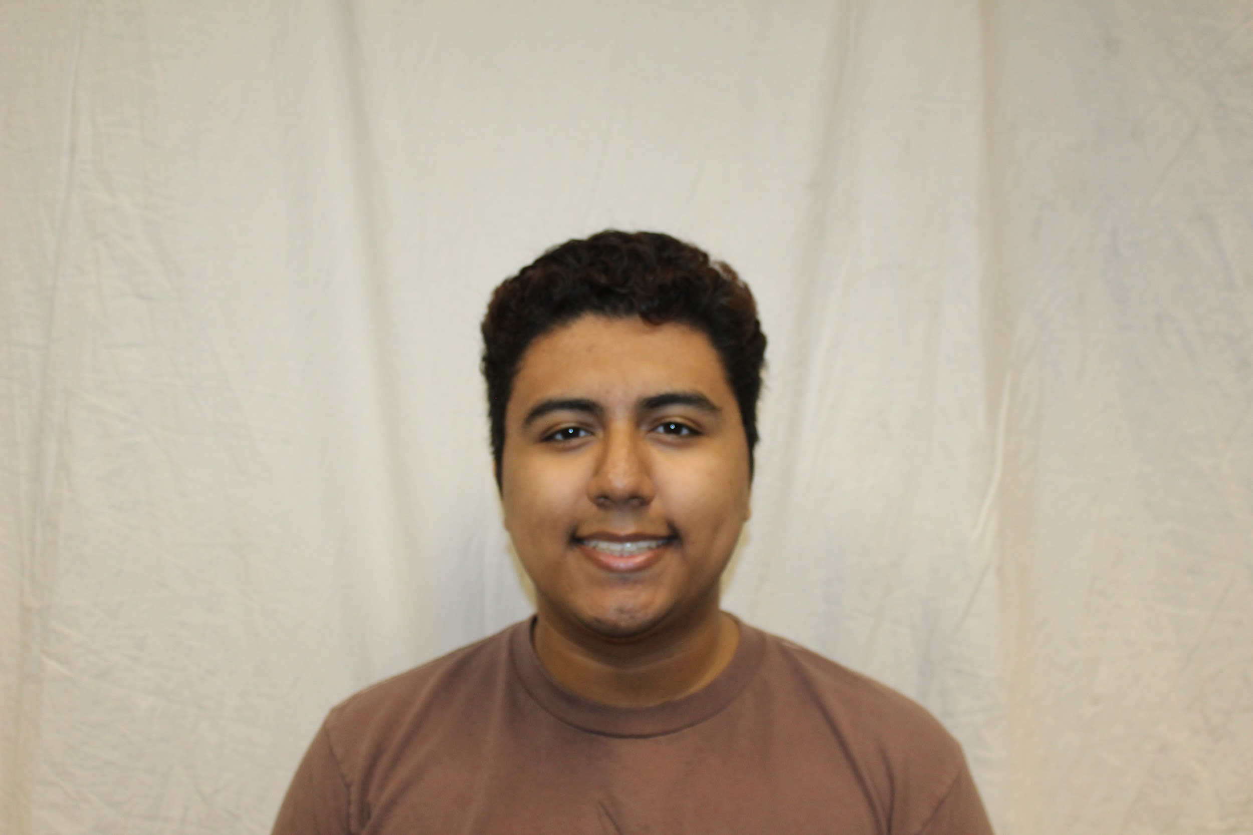 |  | 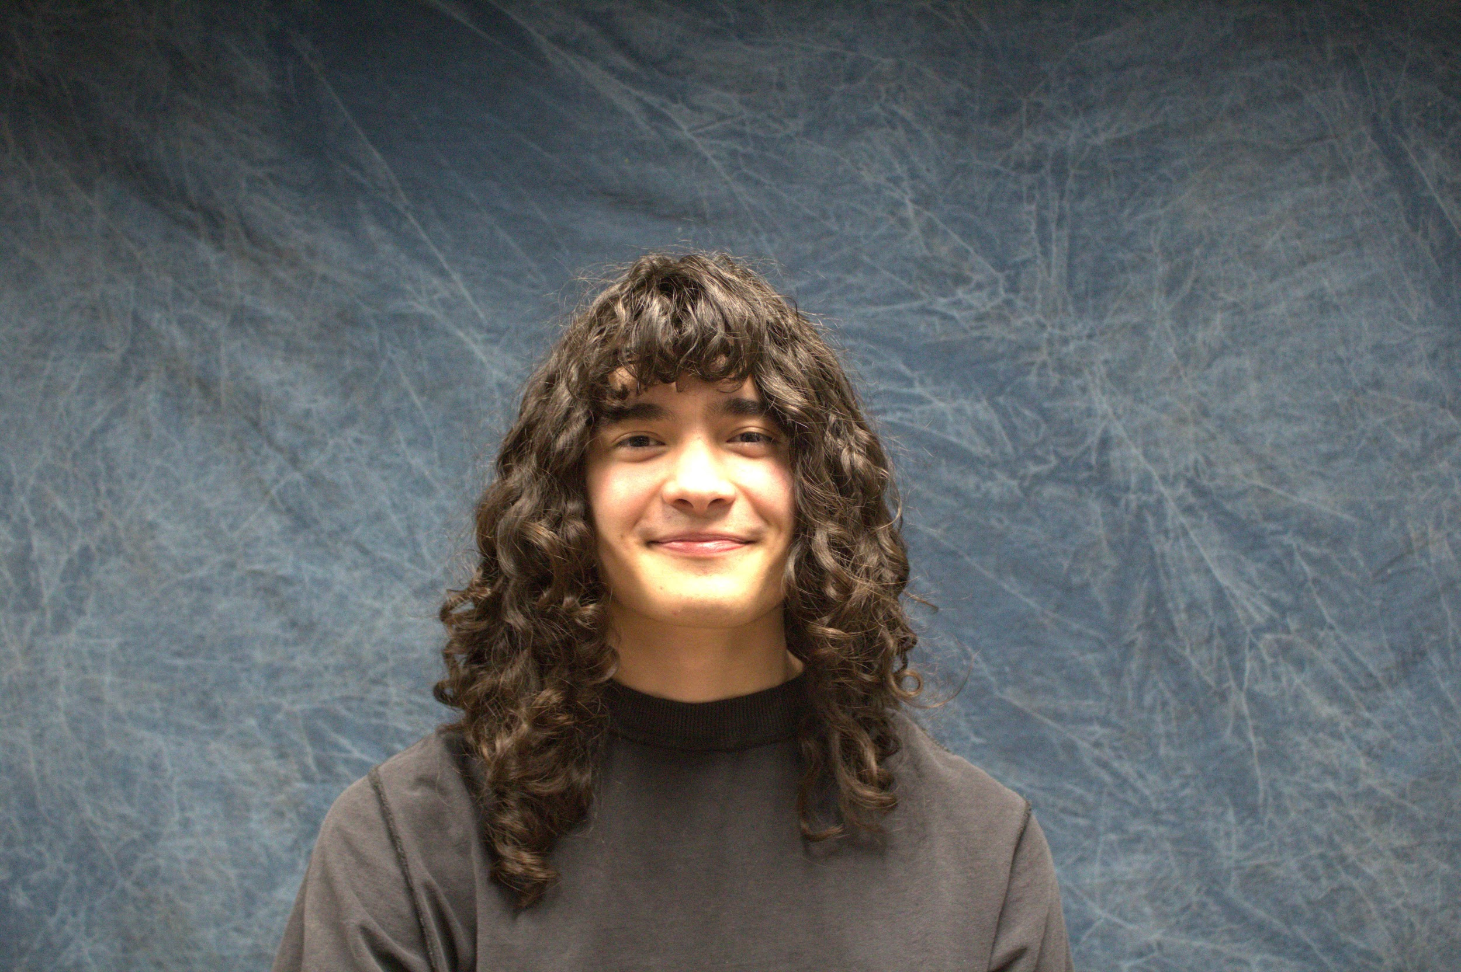 | 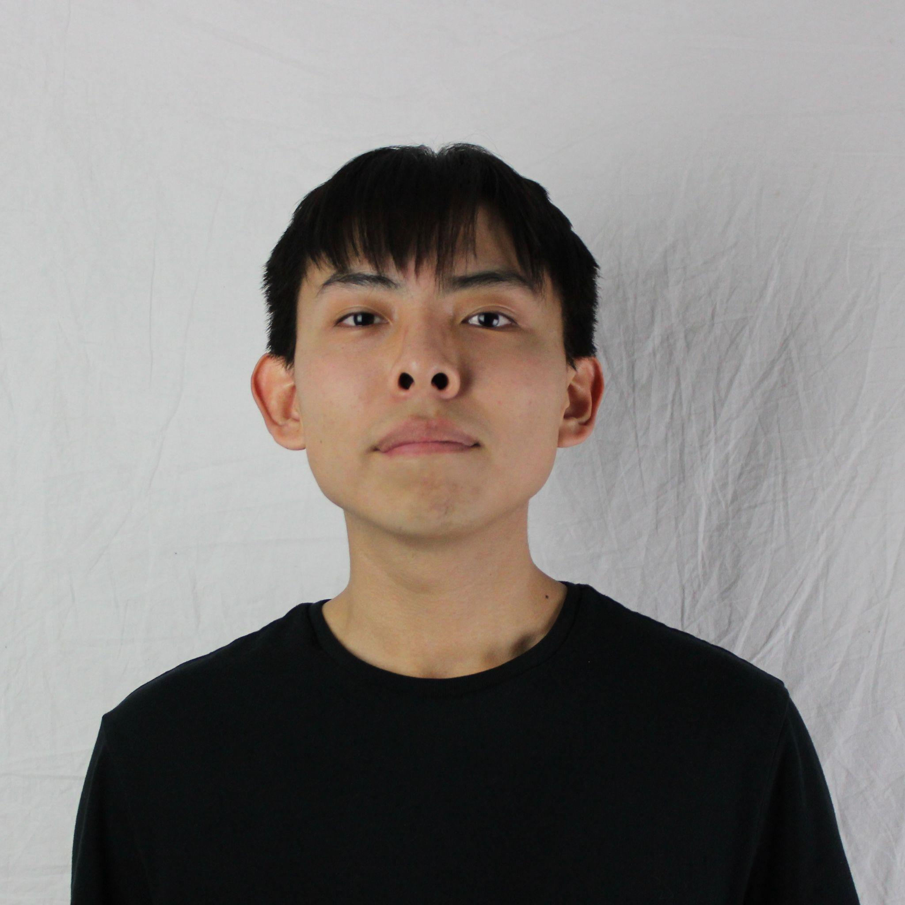
 | Jesse Ceja | Anna Cheatham | Tyler Jeffrey | Rique Trujillo Yazzie
 |  |  |  |  |  |  |  |  |  |  |  | XXX
Task ID | Status | Description |  |  | Assigned to | Start Date | Start Week | Expected End Date | Finished on Week | Measurable Outcome | Actual Outcome | XXX
N/A | <pick a status from the list> | <2-3 sentences to describe what is involved with the task and its goals in more detail> |  |  | <who’s responsible; if multiple persons, to what percentage> | <date task created> | <pick a week from the list> | <date task is due> | <pick a week from the list> | <Concise statement of exactly what deliverable is expected with notes on expectations of quality and/or completion> | <Concise statement of exactly what was delivered and at what level of quality>
1 | Done | Github repositories creation, along with folders to allow for organization as files are added. |  |  | Jesse Ceja | 2/11/2026 | Week 5 (Feb 9 - Feb 13) | 2/11/2026 | Week 5 (Feb 9 - Feb 13) | Github Repositories exist and have been shared with collaborators, each containing folders responsible for holding specific types of files or more folders. | Github Repositories have been created, one for document hosting and one for the team website. Folders exist for future organization, and boiler plate code for website has been added. | XXX
2 | Next up | Learn Figma, specifically build a simple app and port it to my android phone. |  |  | Jesse Ceja | 2/11/2026 | Week 5 (Feb 9 - Feb 13) | 2/18/2026 |  | App installed on my phone without need for laptop connection, has interactables that update data on screen. |  | XXX
3 | In progress | Creating and finalizing team standards document. Here we will will formalize internal operations by documenting specific roles, meeting protocols, and other strategies to ensure absolute accountability. This framework aligns the group on shared technical tools and review processes, streamlining collaboration and preventing friction during the project lifecycle. |  |  | Anna Cheatham - 25%, Jesse Ceja - 25%, Tyler Jeffrey - 25%, Rique - 25% | 2/11/2026 | Week 5 (Feb 9 - Feb 13) | 2/12/2026 |  | Establish a document that defines member roles, meeting protocols, communication tools, and internal review processes to ensure cohesive and accountable collaboration throughout the project lifecycle. |  | XXX
4 | Done | Team inventory document. Here we will synthesize our backgrounds into a single document that maps collective technical skills, relevant coursework, and professional experience. |  |  | Anna Cheatham - 25%, Jesse Ceja - 25%, Tyler Jeffrey - 25%, Rique - 25% | 2/5/2026 | Week 4 (Feb 2 - Feb 6) | 2/9/2026 | Week 5 (Feb 9 - Feb 13) | Document containing information about education, skills, and experiences for each member alongside their respective headshot is fully formed and professionally formatted. | Created a document containing each member's education, class experiences, experience, skills, and headshots. We have also included a team logo and provided a document overview. | XXX
5 | In progress | Team website initialization. This task is the first part of the website creation process. The website should be accessible and represent basic information about the team and project. |  |  | Rique | 2/11/2026 | Week 5 (Feb 9 - Feb 13) | 2/14/2026 |  | Basic html website that provides a brief introduction and overview of team and project. Website also functions correctly as the home-page for the project. |  | XXX
6 | Done | Team Startup tasks. This task is meant to act as the "starter" for our team. Meetings between members, clients, and mentors will be scheduled on a regular basis. Team name and logo will also be created. |  |  | Tyler Jeffrey | 2/2/2026 | Week 4 (Feb 2 - Feb 6) | 2/9/2026 | Week 5 (Feb 9 - Feb 13) | Complete initial team onboarding by formalizing communication channels with the client and mentor, while finalizing team name and logo as well as a face sheet for faculty use. | Meetings between members and mentor is scheduled weekly. Facesheet, logo, and team name have been sent to CS faculty member. Meetings with the client have been scheduled for later in the month to discuss further project details. | XXX
7 |  |  |  |  |  |  |  |  |  |  |  | XXX
8 |  |  |  |  |  |  |  |  |  |  |  | XXX
9 |  |  |  |  |  |  |  |  |  |  |  | XXX
10 |  |  |  |  |  |  |  |  |  |  |  | XXX
11 |  |  |  |  |  |  |  |  |  |  |  | XXX
12 |  |  |  |  |  |  |  |  |  |  |  | XXX
13 |  |  |  |  |  |  |  |  |  |  |  | XXX
14 |  |  |  |  |  |  |  |  |  |  |  | XXX
15 |  |  |  |  |  |  |  |  |  |  |  | XXX
16 |  |  |  |  |  |  |  |  |  |  |  | XXX
17 |  |  |  |  |  |  |  |  |  |  |  | XXX
18 |  |  |  |  |  |  |  |  |  |  |  | XXX
19 |  |  |  |  |  |  |  |  |  |  |  | XXX
20 |  |  |  |  |  |  |  |  |  |  |  | XXX
21 |  |  |  |  |  |  |  |  |  |  |  | XXX
22 |  |  |  |  |  |  |  |  |  |  |  | XXX
23 |  |  |  |  |  |  |  |  |  |  |  | XXX
24 |  |  |  |  |  |  |  |  |  |  |  | XXX
25 |  |  |  |  |  |  |  |  |  |  |  | XXX
26 |  |  |  |  |  |  |  |  |  |  |  | XXX
27 |  |  |  |  |  |  |  |  |  |  |  | XXX
28 |  |  |  |  |  |  |  |  |  |  |  | XXX
29 |  |  |  |  |  |  |  |  |  |  |  | XXX
30 |  |  |  |  |  |  |  |  |  |  |  | XXX
31 |  |  |  |  |  |  |  |  |  |  |  | XXX
32 |  |  |  |  |  |  |  |  |  |  |  | XXX
33 |  |  |  |  |  |  |  |  |  |  |  | XXX
34 |  |  |  |  |  |  |  |  |  |  |  | XXX
35 |  |  |  |  |  |  |  |  |  |  |  | XXX
36 |  |  |  |  |  |  |  |  |  |  |  | XXX
37 |  |  |  |  |  |  |  |  |  |  |  | XXX
38 |  |  |  |  |  |  |  |  |  |  |  | XXX
39 |  |  |  |  |  |  |  |  |  |  |  | XXX
40 |  |  |  |  |  |  |  |  |  |  |  | XXX
41 |  |  |  |  |  |  |  |  |  |  |  | XXX
42 |  |  |  |  |  |  |  |  |  |  |  | XXX
43 |  |  |  |  |  |  |  |  |  |  |  | XXX
44 |  |  |  |  |  |  |  |  |  |  |  | XXX
45 |  |  |  |  |  |  |  |  |  |  |  | XXX
46 |  |  |  |  |  |  |  |  |  |  |  | XXX
47 |  |  |  |  |  |  |  |  |  |  |  | XXX
48 |  |  |  |  |  |  |  |  |  |  |  | XXX
49 |  |  |  |  |  |  |  |  |  |  |  | XXX
50 |  |  |  |  |  |  |  |  |  |  |  | XXX
51 |  |  |  |  |  |  |  |  |  |  |  | XXX
52 |  |  |  |  |  |  |  |  |  |  |  | XXX
53 |  |  |  |  |  |  |  |  |  |  |  | XXX
54 |  |  |  |  |  |  |  |  |  |  |  | XXX
55 |  |  |  |  |  |  |  |  |  |  |  | XXX
56 |  |  |  |  |  |  |  |  |  |  |  | XXX
57 |  |  |  |  |  |  |  |  |  |  |  | XXX
58 |  |  |  |  |  |  |  |  |  |  |  | XXX
59 |  |  |  |  |  |  |  |  |  |  |  | XXX
60 |  |  |  |  |  |  |  |  |  |  |  | XXX
61 |  |  |  |  |  |  |  |  |  |  |  | XXX
62 |  |  |  |  |  |  |  |  |  |  |  | XXX
63 |  |  |  |  |  |  |  |  |  |  |  | XXX
64 |  |  |  |  |  |  |  |  |  |  |  | XXX
65 |  |  |  |  |  |  |  |  |  |  |  | XXX
66 |  |  |  |  |  |  |  |  |  |  |  | XXX
67 |  |  |  |  |  |  |  |  |  |  |  | XXX
68 |  |  |  |  |  |  |  |  |  |  |  | XXX
69 |  |  |  |  |  |  |  |  |  |  |  | XXX
70 |  |  |  |  |  |  |  |  |  |  |  | XXX
71 |  |  |  |  |  |  |  |  |  |  |  | XXX
72 |  |  |  |  |  |  |  |  |  |  |  | XXX
73 |  |  |  |  |  |  |  |  |  |  |  | XXX
74 |  |  |  |  |  |  |  |  |  |  |  | XXX
75 |  |  |  |  |  |  |  |  |  |  |  | XXX
76 |  |  |  |  |  |  |  |  |  |  |  | XXX
77 |  |  |  |  |  |  |  |  |  |  |  | XXX
78 |  |  |  |  |  |  |  |  |  |  |  | XXX

